1
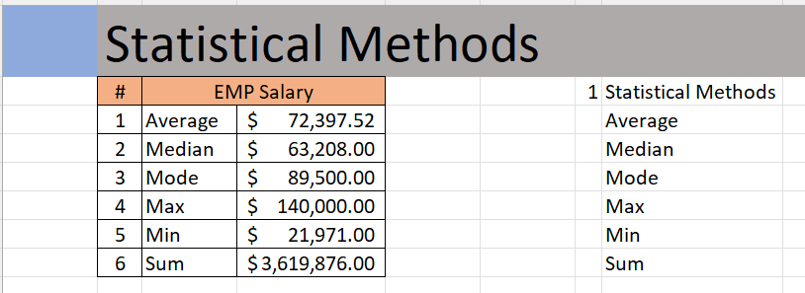
 | Statistical Methods
 | # | EMP Salary
 | 1 | Average
 | 2 | Median
 | 3 | Mode
 | 4 | Max
 | 5 | Min
 | 6 | Sum

Outcome should be as below

5
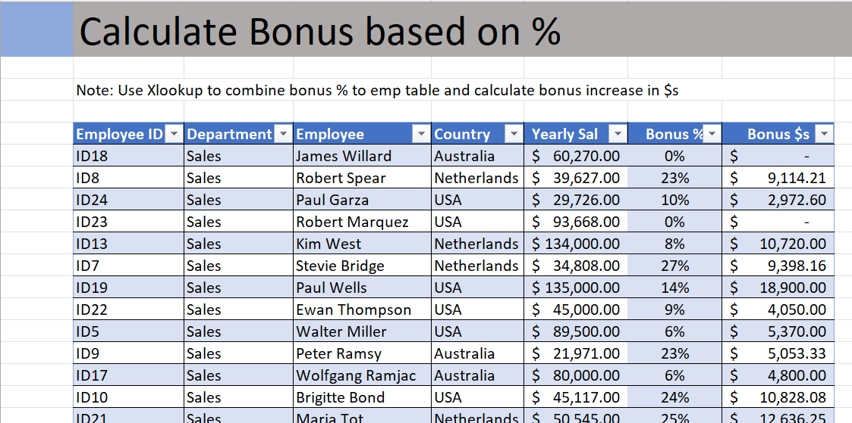
 | Calculate Bonus based on %

Output should look like below

6
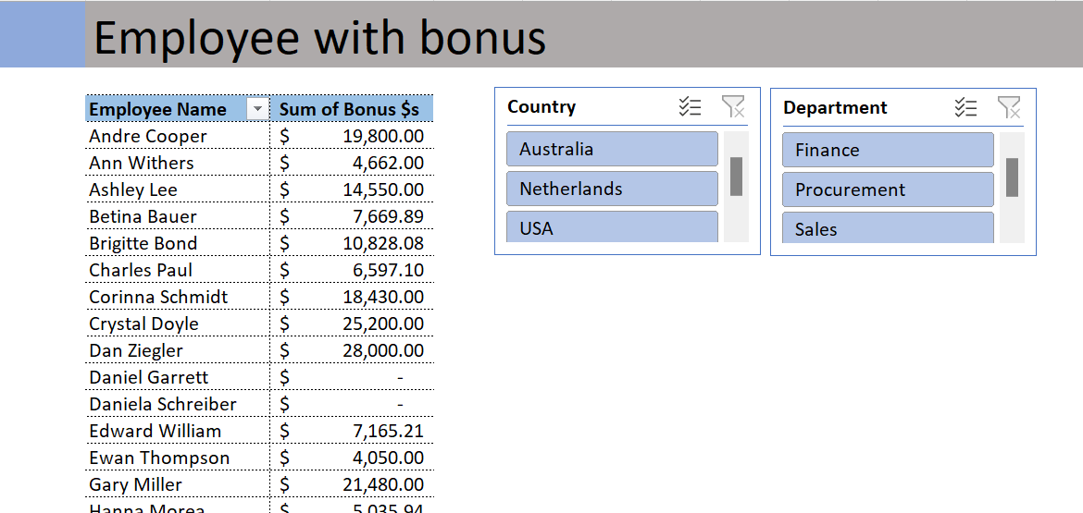
 | Employee with bonus

Output should look like below.

